Before
 | Goals
2006 | 5
2007 | 5
2008 | 4
2009 | 6
2010 | 3



 |  | How to make a football picture chart in Excel
 |  | All you need is data and a picture
 |  | Besides pictures you can also use figures from Insert -> Illustration

 |  | Download this spreadesheet (with pictures) from
 |  | http://andersexcel.se/diagram

After
 | Goals
2006 | 5
2007 | 5
2008 | 4
2009 | 6
2010 | 3

 |  | How to make a football picture chart in Excel
 |  | All you need is data and a picture
 |  | Besides pictures you can also use figures from Insert -> Illustration

 |  | Download this spreadesheet (with pictures) from
 |  | http://andersexcel.se/diagram

Flags
France | Ukraine
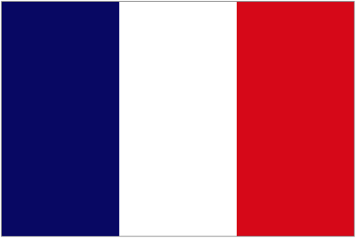


Germany
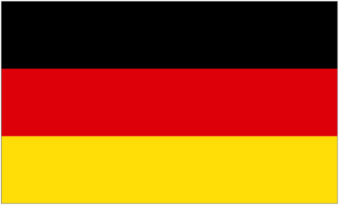

Italy
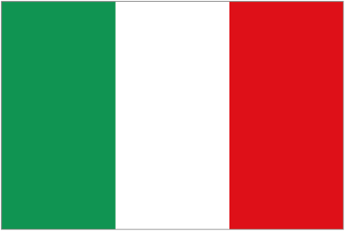

Portugal

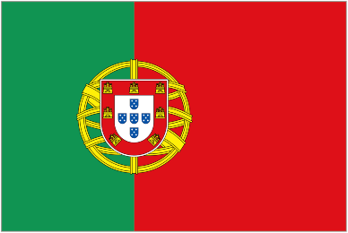

Russia
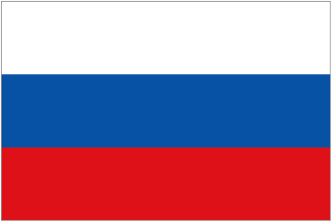

Spain
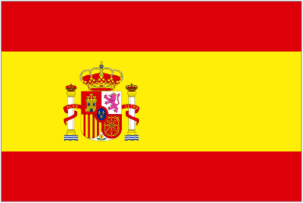

Sverige
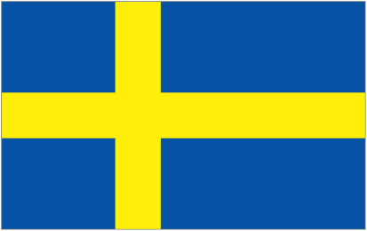

Ukraine

